Accessibility Testing
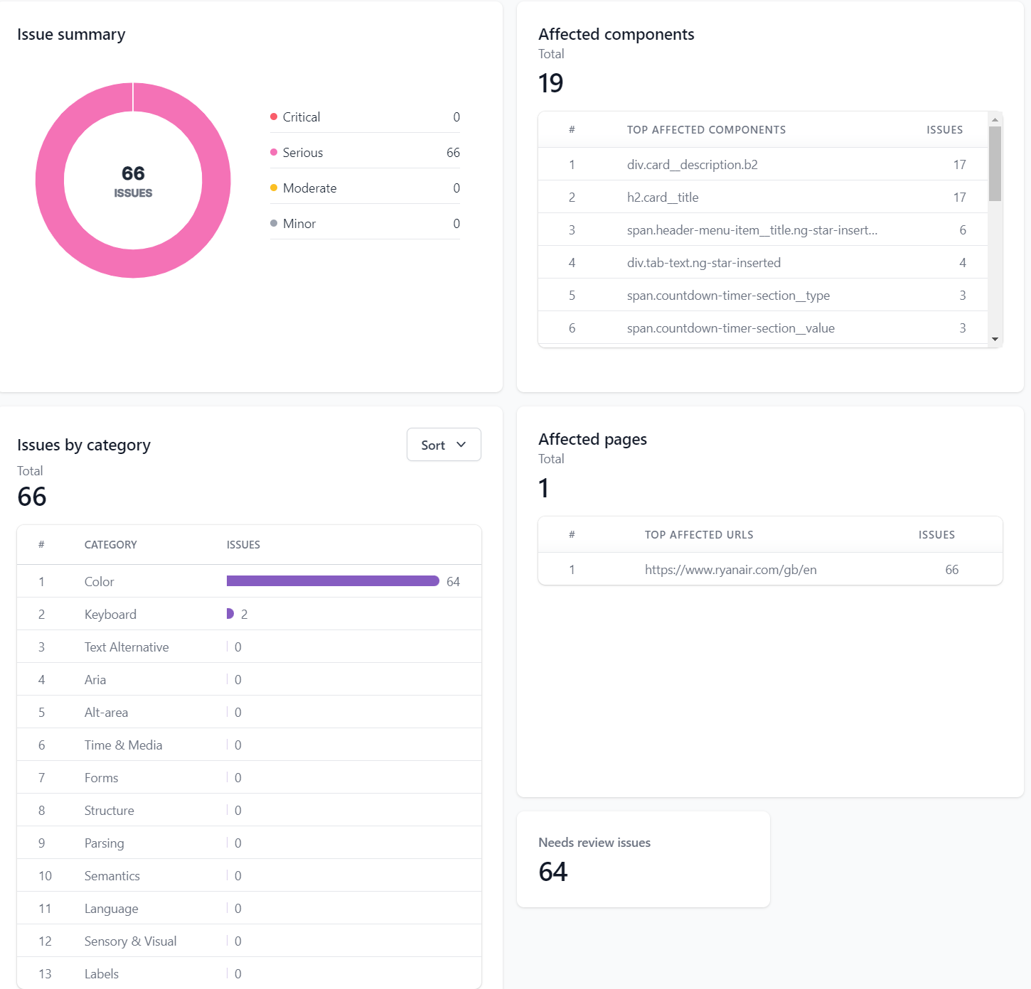
Test Case ID | Test Scenario | Test Case Title | Report Link | Objective | Test Steps | Expected Result (ER) | Actual Result | Affected Components | Conclusion
<< Test Scenarios |  |  |  |  | 3
TC_AT_001 | (TS_005) Accessibility Testing | Accessibility Testing for Ryanair's Website WCAG guidelines | https://accessibility.browserstack.com/site-scanner/scan-report?id=66749&tab=SUMMARY | To evaluate the accessibility of the Ryanair website as per WCAG guidelines (WCAG 2.1 AA version). | 1. Use BrowserStack's accessibility tools to scan the Ryanair website. 2. Check for adherence to accessibility standards including text alternatives, keyboard navigation, and color contrast. 3. Identify and document accessibility issues if any. | Ryanair website meets WCAG accessibility standards. | Ryanair website meets 66 serious issues | Total: 19

